2021 App Submission Dates
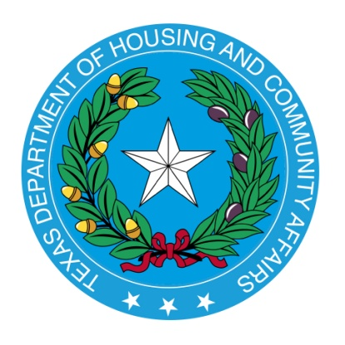

Board Meeting and Corresponding Submission Dates. (Note: The Department will require at least 90 days to review an Application. The Application will be subject to the review priority established under §11.201(6) of the QAP).

 |  | Complete Application Due Date: |  | Targeted Board Meeting Date:

 |  |  | 2020-12-07 |  | 2021-03-11

 |  |  | 2021-01-05 |  | 2021-04-08

 |  |  | 2021-02-05 |  | 2021-05-13

 |  |  | 2021-03-05 |  | 2021-06-17

 |  |  | 2021-04-05 |  | 2021-07-22

 |  |  | 2021-06-07 |  | 2021-09-02

 |  |  | 2021-07-06 |  | 2021-10-14

 |  |  | 2021-08-05 |  | 2021-11-10

 |  |  | 2021-09-07 |  | 2021-12-09

 |  |  | 2021-10-05 |  | January, 2022*

 |  |  | 2021-11-05 |  | February, 2022*

 |  |  | 2021-12-06 |  | March, 2022*

 | *The TDHCA Board Meeting dates for 2022 will be updated once available.

