1b. 4% HTC-Bond Filing
 | Board Meeting and Corresponding Submission Dates. The Department will require at least 90 days to review an Application. The Application will be subject to the review priority established under §11.201(6) of the QAP.
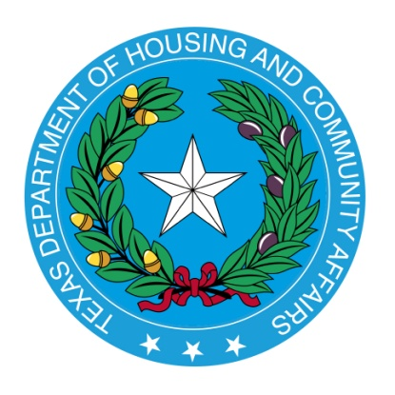

Board Meeting and Corresponding Submission Dates.

 |  | Complete Application Due Date: |  | Targeted Board Meeting Date:

 |  |  | December 13, 2019* |  | 2020-03-19

 |  |  | 2020-01-06 |  | 2020-04-23

 |  |  | 2020-02-05 |  | 2020-05-21

 |  |  | 2020-03-05 |  | 2020-06-25

 |  |  | 2020-04-06 |  | 2020-07-23

 |  |  | 2020-06-05 |  | 2020-09-03

 |  |  | 2020-07-06 |  | 2020-10-08

 |  |  | 2020-08-05 |  | 2020-11-05

 |  |  | 2020-09-08 |  | 2020-12-03

 |  |  | 2020-10-05 |  | January, 2021**

 |  |  | 2020-11-05 |  | February, 2021**

 |  |  | 2020-12-07 |  | March, 2021**

 | *Lottery Application Submission Date Only.

 | **The TDHCA Board Meeting dates for 2021 have not been finalized and will be updated once available.

